LIFESAVING EXAMS
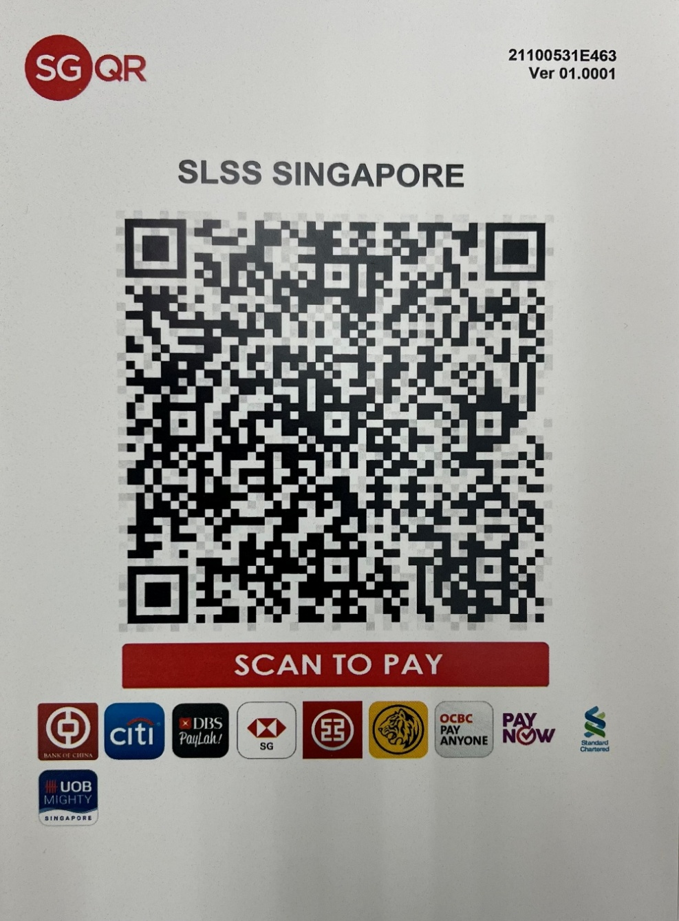
 |  |  | THE SINGAPORE LIFE SAVING SOCIETY |  |  |  |  |  |  |  |  |  |  |  |  |  |  |  |  |  |  |  |  |  |  |  |  |  |  |  |  |  |  |  |  |  | Kallang Basin Swimming Complex

 |  |  |  |  |  |  |  |  |  |  |  |  |  |  |  |  |  |  |  |  |  |  |  |  |  |  |  |  |  |  |  |  |  |  |  |  | 21 Geylang Bahru Lane

 |  |  | A Member of the Royal Life Saving Society and International Life Saving Federation |  |  |  |  |  |  |  |  |  |  |  |  |  |  |  |  |  |  |  |  |  |  |  |  |  |  |  |  |  |  |  |  |  | Singapore 339627

 |  |  |  |  |  |  |  |  |  |  |  |  |  |  |  |  |  |  |  |  |  |  |  |  |  |  |  |  |  |  |  |  |  | : 6299-3660 |  |  |  |  | : booking@slss.org.sg

 | LIVESAVING EXAMINATION BOOKING FORM |  |  |  |  |  |  |  |  |  |  |  |  |  |  |  |  |  | FOR OFFICE USE ONLY: Version2022_Jan19 |  |  |  |  |  |  |  |  |  |  |  | Exam Booking Ref No.: B / |  |  |  |  |  |  |  |  |  |  |  | / 2022
 | (PLEASE COMPLETE ALL SECTIONS IN BLOCK LETTERS)
 | Name of Instructor / Teacher |  |  |  |  |  |  | : |  |  |  |  |  |  |  |  |  |  | Please Note:
 |  |  |  |  |  |  |  |  |  |  |  |  |  |  |  |  |  |  | - | Final test arrangements, i.e. Date/Time/Venue, are strictly subkected to agreement betweem the Examiner and the Instructor. Instructor may exercise flexibility to accommodate Examiners' convenience as their services are voluntary. Instructors must inform SLSS of any change(s) at least 3 days before the scheduled examination date.

 | Affliation / Organisation |  |  |  |  |  |  | :
 |  |  |  |  |  |  |  |  |  |  |  |  |  |  |  |  |  |  | - | For specific request of preferred test arrangements, an administration fee of $100 will be levied per examination booked, with the exception of LS123 which is bundled.

 | Address |  | : |  |  |  |  |  |  |  |  |  |  |  |  |  |  |  | - | SLSS reserves all rights to review the fees as the Society deems fit and appropriate.
 |  |  |  |  |  |  |  |  |  |  |  |  |  |  |  |  |  |  | - | Examiners and Instructors are to ensure that no more than one booking form, except for LS123 Awards, is allowed to be administered by the same examiner, at any one time unless with staggered timing of at least 2 hours.

 |  |  |  |  |  |  |  |  |  |  |  |  |  |  |  |  |  |  | - | Examinations are subjected to audit from the Examinations and Accreditation Unit.
 |  |  |  |  |  |  |  |  |  |  |  |  |  |  |  |  |  |  | - | The applicant undertakes the responsibility to ensure that female candidate(s), if any, are not pregnant at the time of this examination booking.
 |  |  |  |  |  |  |  |  |  |  |  |  |  |  |  |  |  |  | Submission Process:
 | Contact No. |  | : |  |  |  | Email |  |  | : |  |  |  |  |  |  |  |  | - | Complete ALL sections in this form. Amount payable will be advised at the bottom of the form.
 |  |  |  |  |  |  |  |  |  |  |  |  |  |  |  |  |  |  | - | Make FULL payment via PayNow / ibanking. Attached a screenshot of the transaction with this booking form and email to booking@slss.org.sg
 |  |  |  |  |  |  |  |  |  |  |  |  |  |  |  |  |  |  | - | The booking window period of 9 or 21 days will only start upon the reciept of the FULL payment.
 | Examination Award |  |  | : | BRONZE MEDALLION (BM)
 |  |  |  |  |  |  |  |  |  |  |  |  |  |  |  |  |  |  | I hereby declare that I have verify that all information and data provided in this booking form are accurate. For any amendments, I agree to the administrative charge of $5.00 per field, amounting to but not excceding the cost of the toal examination fee in this booking. I understand that the amendment is subjected to approval by SLSS.

 | Venue |  | :

 | Date |  | : |  |  |  |  |  | Time |  |  |  | :
 |  |  |  |  |  |  |  |  |  |  |  |  |  |  |  |  |  |  | Applicant's Signature |  |  |  |  |  |  |  |  |  |  |  |  |  |  |  |  |  |  |  |  | Date

Candidates' Information

S/N |  | Name |  |  |  |  |  |  |  |  | NRIC No. (123A) |  |  |  |  | Contact No. |  | Date of Birth |  |  |  | Gender |  |  | Pre-Requisities Ref No. (if any) |  |  | CPR / SNR Ref. No. |  |  |  |  | Is the candidate a SportSG Lifeguard? |  |  |  |  |  |  |  | Sign In (On Exam Day)

1

2

3

4

 |  |  |  |  |  |  |  |  |  |  |  |  |  |  |  |  |  |  |  |  |  |  |  |  |  |  |  |  |  |  |  |  | Amount Payable |  |  |  |  |  |  |  | $15.00
 |  |  |  |  |  |  |  |  |  |  |  |  |  |  |  |  |  |  |  |  |  |  |  |  |  |  |  |  |  |  |  |  |  |  |  |  |  |  |  |  |  |  |  | 1 | Scan the above QR Code with your iBanking App

 | For Official Use: |  |  |  |  |  |  |  |  |  |  |  |  |  |  |  |  |  |  |  |  |  |  |  |  |  |  |  |  |  |  |  |  |  |  |  |  |  |  |  |  |  |  | 2 | Key in Amount

 |  |  |  |  |  |  |  |  |  |  |  |  |  |  |  |  |  |  |  |  |  |  |  |  |  |  |  |  |  |  |  |  |  |  |  |  |  |  |  |  |  |  |  | 3 | Please enter Teacher's Name in "UEN/Bill Reference No."
 | Processed by: |  |  |  |  |  |  |  |  |  |  | Receipt No.: |  |  |  |  |  |  |  |  |  |  | Examiner Assigned: |  |  |  |  |  |  |  |  |  |  |  |  |  | Date:
 |  |  |  |  |  |  |  |  |  |  |  |  |  |  |  |  |  |  |  |  |  |  |  |  |  |  |  |  |  |  |  |  |  |  |  |  |  |  |  |  |  |  |  | *for payment using UEN: S67SS0031B

 |  |  | THE SINGAPORE LIFE SAVING SOCIETY |  |  |  |  |  |  |  |  |  |  |  |  |  |  |  |  |  |  |  |  |  |  |  |  |  |  |  |  |  |  |  |  |  | Kallang Basin Swimming Complex

 |  |  |  |  |  |  |  |  |  |  |  |  |  |  |  |  |  |  |  |  |  |  |  |  |  |  |  |  |  |  |  |  |  |  |  |  | 21 Geylang Bahru Lane

 |  |  | A Member of the Royal Life Saving Society and International Life Saving Federation |  |  |  |  |  |  |  |  |  |  |  |  |  |  |  |  |  |  |  |  |  |  |  |  |  |  |  |  |  |  |  |  |  | Singapore 339627

 |  |  |  |  |  |  |  |  |  |  |  |  |  |  |  |  |  |  |  |  |  |  |  |  |  |  |  |  |  |  |  |  |  | : 6299-3660 |  |  |  |  | : booking@slss.org.sg

 | B / | 0 | / 2022 |  |  | BRONZE MEDALLION (BM) |  |  |  |  |  |  |  |  |  |  |  |  |  |  |  |  |  |  |  |  |  |  |  |  |  |  |  |  |  | BM |  |  |  | / |  | / 2022

 | Affiliate / Organisation: |  |  |  |  | 0 |  |  |  |  |  |  |  |  |  |  | Instructor / Teacher: |  |  |  |  | 0 |  |  |  |  |  |  | Venue: |  |  | 0

Name of Candidates |  |  |  |  |  |  |  |  |  | NRIC No. (Eg. 123A) |  |  |  | CPR / SNR Ref No. |  |  |  | Test Items |  |  |  |  |  |  |  |  |  |  |  |  |  |  |  |  |  |  |  | Results |  |  | Remark(s)

 |  |  |  |  |  |  |  |  |  |  |  |  |  |  |  |  |  | Theory |  |  | Land-Based | Water-Based |  | Rescue Fitness Timing |  | Contact Tow | Resuscitation Timing | Initiative |  | Swim |  | 0 |  |  | 0

1 |  | 0 |  |  |  |  |  |  |  | 0 |  |  |  | 0

2 |  | 0 |  |  |  |  |  |  |  | 0 |  |  |  | 0

3 |  | 0 |  |  |  |  |  |  |  | 0 |  |  |  | 0

4 |  | 0 |  |  |  |  |  |  |  | 0 |  |  |  | 0

 | For Examiner Use: |  |  |  |  |  |  |  |  |  |  |  |  |  |  |  |  |  |  |  |  |  |  |  | For Office Use:

 | Name of Examiner: |  |  | 0 |  |  |  |  |  |  |  |  |  |  | Date of Exam: |  |  |  | 0 |  |  |  |  |  | No. of Certificates: |  |  |  |  |  |  | Date Processed:

 | Reference No.: |  |  |  |  |  |  |  |  |  |  |  |  |  |  |  |  |  |  |  |  |  |  |  | Processed by:

 | No. of Candidates: |  |  | 0

 | No. of Passes: |  |  | 0

 | No. of Failures: |  |  | 0
 |  |  |  |  |  |  |  |  |  |  |  |  |  |  | Examiner Signature |  |  |  |  |  |  |  |  |  |  |  |  |  |  |  |  | Staff Signature

